Results
Number | Name | ScoreTotal | ScoreWeighted | Rank
E | Natasha | 338.0 | 48.0 | 1
H | Lila | 336.5 | 47.9 | 2
D | Nina | 329.0 | 47.0 | 3
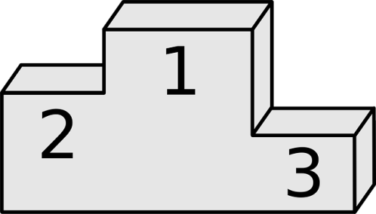
B | Karina | 278.0 | 34.6 | 4
C | Marisa | 273.0 | 34.1 | 5
G | Anaya | 266.0 | 33.3 | 6
F | Tara | 266.5 | 33.3 | 7
I | Yasmin | 263.0 | 33.0 | 8
A | Amaya | 251.0 | 31.3 | 9

